About Us
Your Company LOGO | Project Name: | SMP | Test Designed by: | Kulsum
 | Module Name: | About Us | Test Designed date:
 | Release Version: |  | Test Executed by:
 |  |  | Test Execution date: | 2024-06-06

Pre-condition | Schaumburg marketplace website is available to all users
Dependencies:
Test Priority | High

Test Case# |  | Test Summary | Test Steps | Test Data | Expected Result | Post-condition | Actual Result | Status | Environment | Notes
TC001 |  | SMP website should be accessible to the user | 1. Type the URL of the website. | About Us | Website opens up | Users get the necessary information | Website opens up | Pass | Chrome,Apple
 |  |  | 2. Click on About Us section | About Us | You can see brief summary of the organization like its mission. | Users get the necessary information | Users get overview of the organization as expected | Pass | Chrome,Apple
TC002 |  | Upon clicking About Us a Drop down menu should be available | Click on the About Us section | About Us Drop down menu | Drop down list | Users get the necessary information | Drop down list as expected | Pass | Chrome,Apple
TC003 |  | Each menu item of About us | Click on "Why SMP?" | Why SMP | A guide to navigate and use SMP for different purposes | Users get the necessary information | As expected it guides users how to use SMP | Pass | Chrome,Apple
TC004 |  | Each menu item of About us | Click on "Our Team" | Our Team | Information about the team | Users get the necessary information | As expected team info | Pass | Chrome,Apple
TC005 |  | Each menu item of About us | Click on "Clients" | Clients section | Client information is displayed | Users get the necessary information | Client information | Pass | Chrome,Apple
TC006 |  | Each menu item of About us | Click on "Testimonials" | Testimonials Section | Testimonials | Users get the necessary information | Testimonials | Pass | Chrome,Apple | 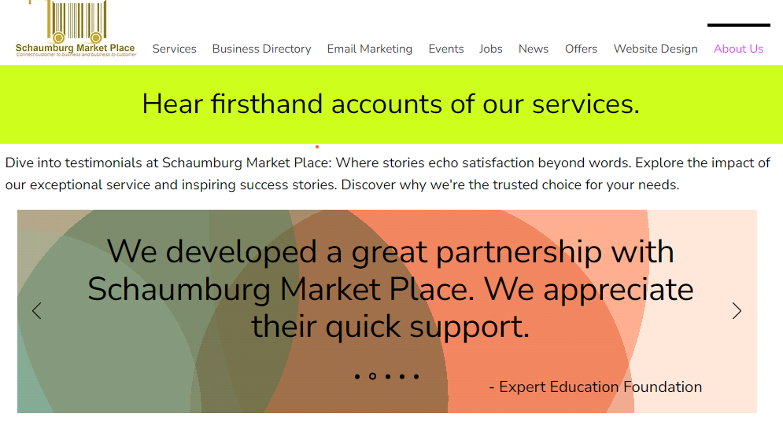
TC007 |  | Each menu item of About us | Click on "FAQ's" | FAQ's section | FAQ's should be displayed | Users get the necessary information | FAQ's displayed | Pass | Chrome,Apple | 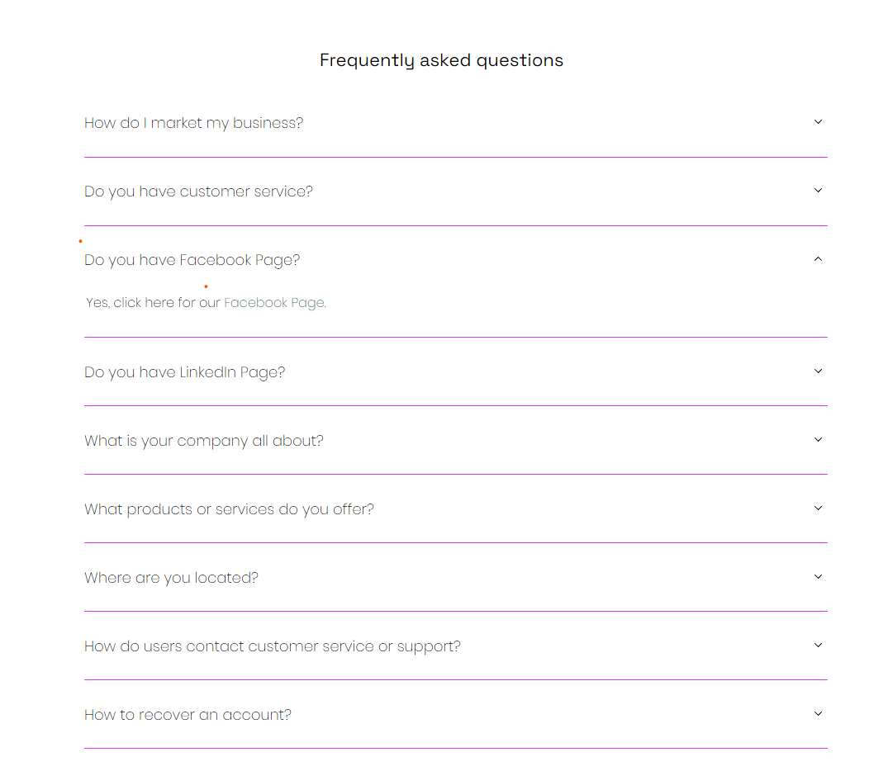
TC008 |  | Each menu item of About us | Click on Disclaimer | Disclaimer section | You should see a Disclaimer | Users get the necessary information | Disclaimer displayed | Pass | Chrome,Apple
TC009 |  | Each menu item of About us | Click on Contact Us | Contact Us Section | You should see contact information | Users get the necessary information | Contact information page is displayed | Pass | Chrome,Apple | 